3. Results
 | Trends Over Time

 |  |  | Filter to desired Target Group

 |  |  | Filter to desired Capability

 |  | These filters apply to all 4 graphs on this sheet.

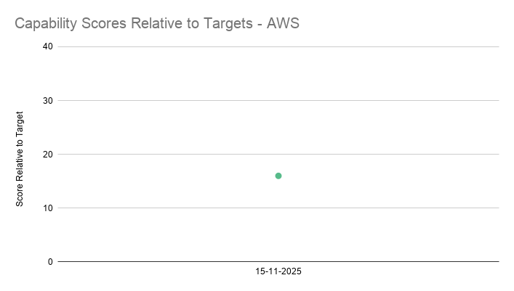
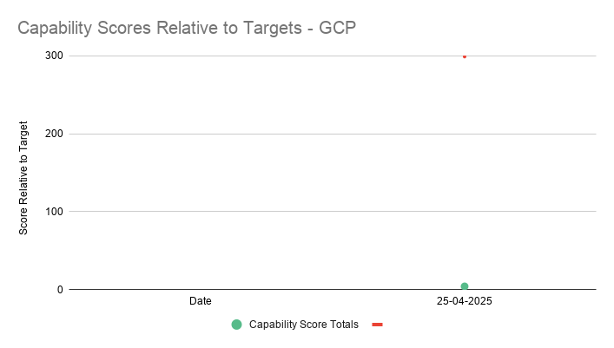
 | Capability Scores - AWS |  |  | Capability Scores - GCP
Line Graphs

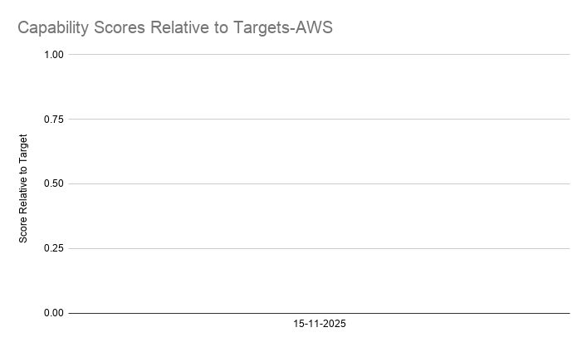
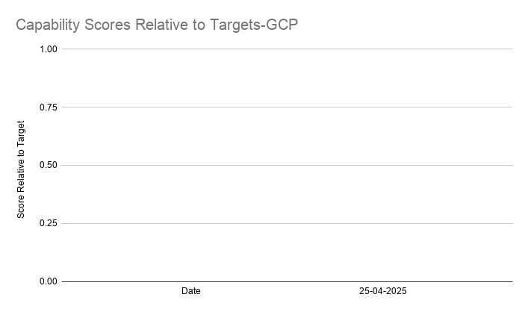
Bar Graphs

